3-Plotting
z | f(z) | PHI() | Formula
-4.00 | 0.00013 | 0.00013 | =( 1/SQRT(2*PI()) ) * EXP(- (A2^2)/2 )
-3.80 | 0.00029 | 0.00029 | =ArrayFormula(PHI(A2:A42))
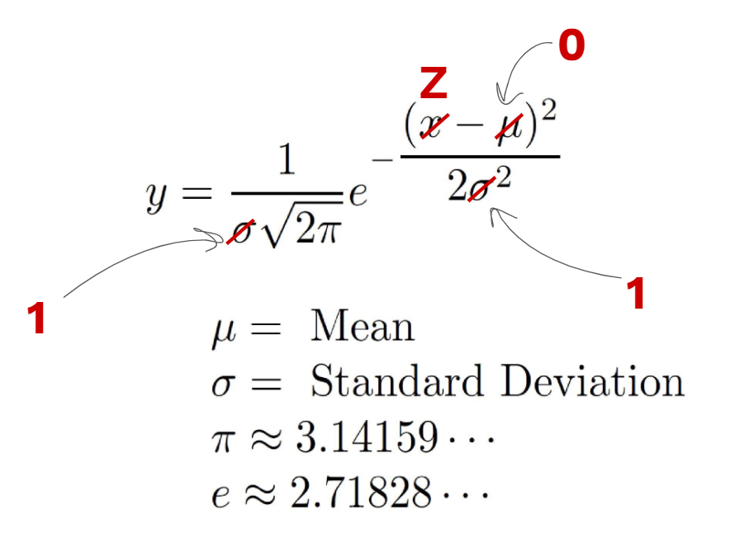
f(z) vs. z
-3.60 | 0.00061 | 0.00061
-3.40 | 0.00123 | 0.00123
-3.20 | 0.00238 | 0.00238
-3.00 | 0.00443 | 0.00443
-2.80 | 0.00792 | 0.00792
-2.60 | 0.01358 | 0.01358
-2.40 | 0.02239 | 0.02239
-2.20 | 0.03547 | 0.03547
-2.00 | 0.05399 | 0.05399
-1.80 | 0.07895 | 0.07895
-1.60 | 0.11092 | 0.11092
-1.40 | 0.14973 | 0.14973
-1.20 | 0.19419 | 0.19419
-1.00 | 0.24197 | 0.24197
-0.80 | 0.28969 | 0.28969
-0.60 | 0.33322 | 0.33322
-0.40 | 0.36827 | 0.36827
-0.20 | 0.39104 | 0.39104
0.00 | 0.39894 | 0.39894
0.20 | 0.39104 | 0.39104
0.40 | 0.36827 | 0.36827
0.60 | 0.33322 | 0.33322
0.80 | 0.28969 | 0.28969
1.00 | 0.24197 | 0.24197
1.20 | 0.19419 | 0.19419
1.40 | 0.14973 | 0.14973
1.60 | 0.11092 | 0.11092
1.80 | 0.07895 | 0.07895
2.00 | 0.05399 | 0.05399
2.20 | 0.03547 | 0.03547
2.40 | 0.02239 | 0.02239
2.60 | 0.01358 | 0.01358
2.80 | 0.00792 | 0.00792
3.00 | 0.00443 | 0.00443
3.20 | 0.00238 | 0.00238
3.40 | 0.00123 | 0.00123
3.60 | 0.00061 | 0.00061
3.80 | 0.00029 | 0.00029
4.00 | 0.00013 | 0.00013

7-Relationship
NO | MOVIE_NAME | YEAR | RATING | LENGTH | GENRE | SCORE
1 | The Shawshank Redemption | 1994 | R | 142 | Drama | 9.3
2 | The Godfather | 1972 | R | 175 | Crime, Drama | 9.2
3 | The Dark Knight | 2008 | PG-13 | 152 | Action, Crime, Drama | 9
4 | The Godfather: Part II | 1974 | R | 202 | Crime, Drama | 9
5 | The Lord of the Rings: The Return of the King | 2003 | PG-13 | 201 | Action, Adventure, Drama | 8.9

LENGTH | SCORE
142 | 9.3 |  | CORRELATION | 0.3797 | [-1, +1]
175 | 9.2
152 | 9 |  | Correlation does not imply causation
202 | 9 |  | Linear association
201 | 8.9
SCORE vs. LENGTH
154 | 8.9
195 | 8.9
96 | 8.9
148 | 8.8
139 | 8.8
178 | 8.8
142 | 8.8
178 | 8.8
160 | 8.7
179 | 8.7
136 | 8.7
146 | 8.7
124 | 8.7
133 | 8.7
132 | 8.6
169 | 8.6
130 | 8.6
125 | 8.6
169 | 8.6
189 | 8.6
116 | 8.6
127 | 8.6
118 | 8.6
121 | 8.6
133 | 8.6
207 | 8.6
130 | 8.6
122 | 8.5
106 | 8.5
112 | 8.5
130 | 8.5
151 | 8.5
150 | 8.5
155 | 8.5
119 | 8.5
106 | 8.5
110 | 8.5
88 | 8.5
137 | 8.5
155 | 8.5
89 | 8.5
116 | 8.5
122 | 8.5
165 | 8.5
109 | 8.5
102 | 8.5
87 | 8.5
87 | 8.5
126 | 8.4
125 | 8.4
106 | 8.4
161 | 8.4
117 | 8.4
181 | 8.4
149 | 8.4
105 | 8.4
165 | 8.4
164 | 8.4
170 | 8.4
165 | 8.4
98 | 8.4
137 | 8.4
120 | 8.4
113 | 8.4
134 | 8.4
229 | 8.4
115 | 8.4
146 | 8.4
147 | 8.4
117 | 8.4
143 | 8.4
95 | 8.4
116 | 8.4
88 | 8.4
112 | 8.4
110 | 8.4
125 | 8.4
119 | 8.3
138 | 8.3
104 | 8.3
139 | 8.3
160 | 8.3
115 | 8.3
123 | 8.3
131 | 8.3
132 | 8.3
112 | 8.3
103 | 8.3
153 | 8.3
108 | 8.3
122 | 8.3
102 | 8.3
102 | 8.3
122 | 8.3
126 | 8.3

